Poly Bag Packed
 |  |  |  |  |  |  |  | Converse |  |  |  |  |  |  |  |  |  |  |  |  | Total Stock
 | SKU | UK Size | 2.5 | 3 | 3.5 | 4 | 4.5 | 5 | 5.5 | 6 | 6.5 | 7 | 7.5 | 8 | 8.5 | 9 | 9.5 | 10 | 10.5 | 11
 |  | EU Size | 34 | 35 | 36 | 36.5 | 37 | 37.5 | 38 | 39 | 39.5 | 40 | 41 | 41.5 | 42 | 43 | 43 | 44 | 44.5 | 45
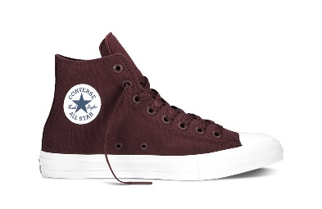 | 150144V | Chuck ii |  |  |  | 12 | 26 |  | 21 | 20 |  | 24 | 18 |  | 6 |  | 7 |  |  |  | 134
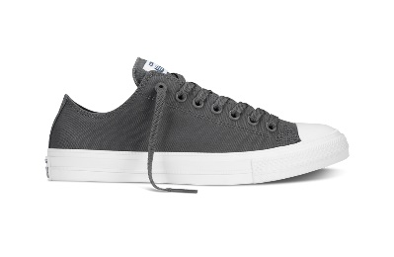 | 150153V | Chuck ii |  |  |  | 42 | 45 |  | 45 | 12 |  | 12 | 12 |  | 11 |  | 1 |  |  |  | 180
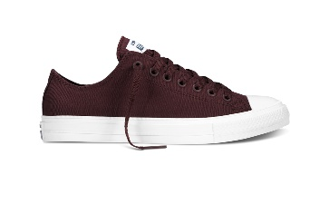 | 150150V | Chuck ii |  |  |  | 45 | 21 |  | 28 | 21 |  | 33 | 49 |  | 19 |  | 15 |  |  |  | 231
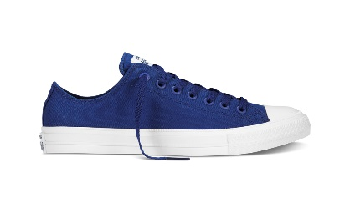 | 150152V | Chuck ii |  |  |  | 22 | 15 |  | 15 | 9 |  | 43 | 50 |  | 17 |  | 6 |  |  |  | 177
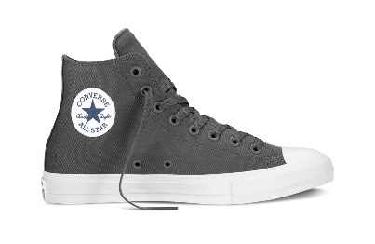 | 150147V | Chuck ii |  |  |  | 18 | 8 |  | 7 | 0 |  | 0 | 3 |  | 3 |  |  |  |  |  | 39
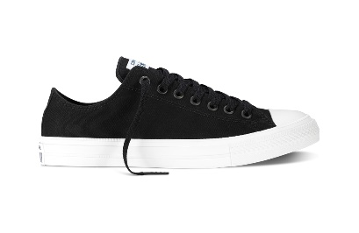 | 150149V | Chuck ii |  |  |  | 78 | 48 |  | 54 | 8 |  | 44 | 77 |  | 24 |  | 7 |  |  |  | 340
 |  |  |  |  |  |  |  |  |  |  |  |  |  |  |  |  |  |  |  |  | 1101

